Sheet1
Assignment1 | Insert two suppliers in suppliers table

Creating Suppliers table

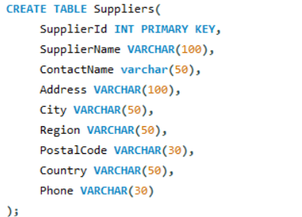

Inserting the values

Query

Result

Assignment2 | Insert product in products table for specific suppliers

Creating Products table

Inserting the values

Query

Result

Assignment3 | Place orders for one supplier's products.

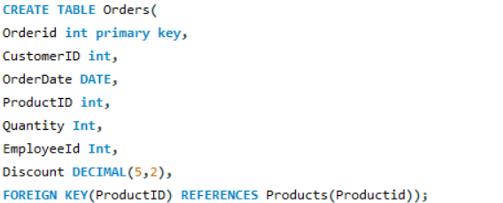
Create Orders table

Inserting the values

Query

Result

Assignment4 | Update employeeID of orders table for specific supplier's
 | one product

Query

Result

Assignment5 | Update discount in order for specific supplier's one
 | product who placed order in July, 1997

Query

Result

Assignment6 | Remove order and its details for specific supplier's
 | one product.

Query

Result

